Document Control
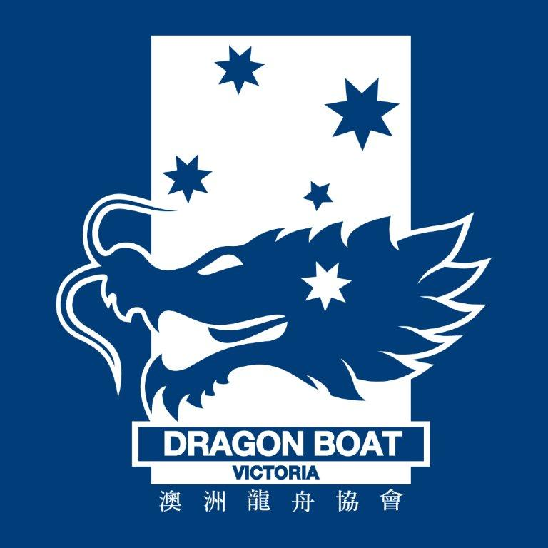

Dragon Boat Victoria
DBV Expense Reimbursement Form

The Document is designed to be updated by DBV Board members as processes within the Board are designed, updated and improved.

As a Board member, if you update this document please ensure that you update the table below and obtain appropriate review and signature.

Date | Updated By | Update | Review | Reviewer Approval of Update
2016 or 2017 | Phillip Chan | Initial version of DBV Reimbursement Form | N/A | N/A
2018-11-07 | Jonathan Low | Updated form format, expense category and approval process. Included Regatta field, 14 days submission of the expense, accommodation max. amount $99 and Xero inbox address. | FARC | FARC members: Stephen Arrowsmith Sue Phung

